pivot
Bike purchased by Occupation

Row Labels | Sum of Number Purchased Bike
Manual | 12%
Management | 15%
Clerical | 19%
Skilled Manual | 24%
Professional | 30%
Grand Total | 100%

Gender | #Bikes Purchased
Female | 49%
Male | 51%

Row Labels | Sum of Number Purchased Bike
10k-40k | 43%
50k-80k | 41%
90k-120k | 11%
130k-170k | 4%
Grand Total | 100.00%

Row Labels | Sum of Number Purchased Bike
Married | 48%
Single | 52%
Grand Total | 100.00%

Row Labels | Sum of Number Purchased Bike
0 | 153
1 | 159
2 | 129
3 | 33
4 | 21
Grand Total | 495

Bike Purchases by Homeownership Status

Row Labels | Sum of Number Purchased Bike
Homeowner | 67%
Non-Homeowner | 33%
Grand Total | 100%

Bikes purchased by Commute distance

Row Labels | Sum of Number Purchased Bike
0-1 Miles | 207
2-5 Miles | 95
1-2 Miles | 83
5-10 Miles | 77
More than 10 Miles | 33
Grand Total | 495

Bikes purchased by Region

Row Labels | Sum of Number Purchased Bike
Europe | 32%
Female | 17%
Male | 15%
North America | 44%
Female | 22%
Male | 22%
Pacific | 24%
Female | 10%
Male | 14%
Grand Total | 100.00%

Count of Purchased Bike | Column Labels
Row Labels | No | Yes | Grand Total
Female | 25% | 24% | 49%
Male | 27% | 25% | 51%
Grand Total | 52% | 48% | 100%

Row Labels | Count of ID
No | 51.75%
Yes | 48.25%
Grand Total | 100.00%

 | Column Labels
 | 0 | 1 | 2 | 3 | 4 | 5 | Grand Total
Sum of Number Purchased Bike | 29% | 20% | 21% | 15% | 11% | 4% | 100%

Bike Purchases by Family Size

Row Labels | Sum of Number Purchased Bike
0-2 Children | 70%
3+ Children | 30%
Grand Total | 100%

 |  |  |  |  |  |  |  | Bikes Purchased | 495
 |  |  |  |  |  |  |  | Purchase Rate | 48%
Sum of Number Purchased Bike |  |  |  |  |  |  |  | Avg. Income of Buyers
495

 | Column Labels
 | No | Yes | Grand Total
Count of Purchased Bike | 52% | 48% | 100%

 | Column Labels
 | No | Yes | Grand Total
Average of Income | 55028.248588 | 57474.747475 | 56208.576998

Purchase Behavior by Age

Count of Purchased VS did not purchase | Column Labels
Row Labels | Did Not Purchase | Purchased | Grand Total
25-35 | 54% | 46% | 100.00%
36-45 | 42% | 58% | 100.00%
46-55 | 50% | 50% | 100.00%
55+ | 69% | 31% | 100.00%
Grand Total | 52% | 48% | 100.00%

Bikes purchased base on Cars Owned

Count of Purchased VS did not purchase | Column Labels
Row Labels | Did Not Purchase | Purchased | Grand Total
0 | 40% | 60% | 100%
1 | 43% | 57% | 100%
2 | 63% | 37% | 100%
3 | 62% | 38% | 100%
4 | 66% | 34% | 100%
Grand Total | 52% | 48% | 100%

Dashboard
Bike Purchase Overview
Sara Bennani
Data Analyst
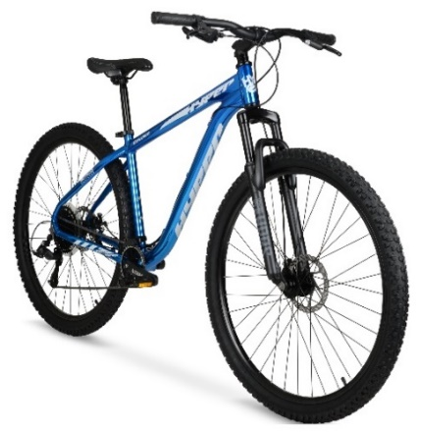

Total Rate

Bike purchases by Occupation
 | Total
Manual | 12%
Management | 15%
Clerical | 19%
Skilled Manual | 24%
Professional | 30%
Bike Purchases by Income Range
 | Total
10k-40k | 43%
50k-80k | 41%
90k-120k | 11%
130k-170k | 4%

48%

Bikes Purchased

495

Bike Purchases by Family Size
 | Total
0-2 Children | 70%
3+ Children | 30%
0-2 Children
3+ Children

How Does Commute Distance Affect Bike Purchases?
 | Total
0-1 Miles | 207
2-5 Miles | 95
1-2 Miles | 83
5-10 Miles | 77
More than 10 Miles | 33
Purchase Behavior by Age
 | Did Not Purchase | Purchased
25-35 | 54% | 46%
36-45 | 42% | 58%
46-55 | 50% | 50%
55+ | 69% | 31%

Bike Purchases by Region and Gender
 | Total
Female | 17%
Male | 15%
Female | 22%
Male | 22%
Female | 10%
Male | 14%

Bikes purchased base on Cars Owned
 | Did Not Purchase | Purchased
0 | 40% | 60%
1 | 43% | 57%
2 | 63% | 37%
3 | 62% | 38%
4 | 66% | 34%
Bike Purchases by Homeownership Status
 | Total
Homeowner | 67%
Non-Homeowner | 33%

